Table2a_filled
Table 2. Association between appendicular skeletal muscle mass pere body weight (%) and hypertension
 | OR | 95% CI | E-value | OR* | 95% CI* | Excluded mhx_HT_yn=0
Crude | 1.00 | 0.99 - 1.01 | 1.04 | 1.02 | 1.00 - 1.03 | n=9566
Model 1 | 0.80 | 0.78 - 0.81 | 1.49 | 0.81 | 0.79 - 0.83
Model 2 | 0.96 | 0.93 - 0.98 | 1.18 | 0.96 | 0.93 - 0.99
Model 3 | 0.97 | 0.94 - 1.00 | 1.15 | 0.96 | 0.93 - 1.00
Model 4 | 0.97 | 0.94 - 1.00 | 1.15 | 0.96 | 0.93 - 1.00
Model 5 | 0.81 | 0.79 - 0.83
Model 1 adjusted for age, sex
Model 2 adjusted for age, sex, body mass index, waist circumference
Model 3 adjusted for age, sex, body mass index, waist circumference, dyslipedemia, diabetes
Model 4 adjusted for age, sex, body mass index, waist circumference, dyslipedemia, diabetes, history of smoking, history of alcohol intake
Model 5 adjusted for age, sex, history of smoking, history of alcohol intake
OR = odds ratio; 95% CI = 95% confidence interval.

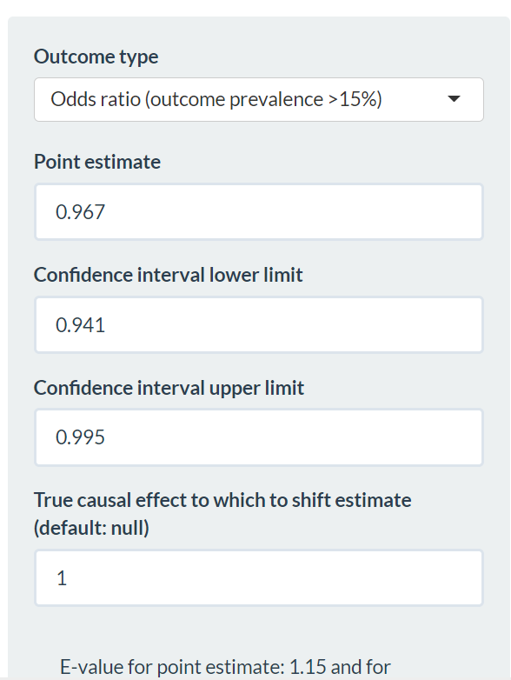
 | OR | Lower CI | Upper CI
Crude | 0.997 | 0.985 | 1.010
Model 1 | 0.798 | 0.782 | 0.814
Model 2 | 0.955 | 0.929 | 0.982
Model 3 | 0.967 | 0.941 | 0.995
Model 4 | 0.968 | 0.941 | 0.995

Sensitivity
Crude | 1.017 | 1.002 | 1.033
Model 1 | 0.812 | 0.793 | 0.832
Model 2 | 0.957 | 0.926 | 0.989
Model 3 | 0.963 | 0.931 | 0.996
Model 4 | 0.964 | 0.932 | 0.996

